Workbook Operation
Urban Forest Sustainability and Management Review (v6.6a Austin)

Each of the main worksheets is laid out as presented in the example (Category 4) that follows. |  |  | 23-Feb-17
Users may adjust the grey matrix on the right to control the category items that are evaluated for any entity (in this example, 5) Municipality see cell C6).
Place 0 (NA) in those cells that do NOT apply to your entity. Note: You only have to adjust the column (H, I, J, K, L, or M) appplicable to you. |  |  | TOC
The red arrows indicate those data entry fields (i.e. the matrix area).
The primary user interaction is in column E (marked with þ) of each sheet by selecting from the dropdown menus.
and by entering audit team notes as needed. The blue dashed arrows.
Following evaluation in column E, the worksheet will calculate and display the % attained for the Category, SOC and BP.
Each worksheet will have a | TOC | in the upper right-hand corner to get you quickly back to the Table of Contents.
The worksheets: Overall Management Evaluation, Standard of Care, Just the Basics, and Management Level are updated as
data is entered on individual sheets (Audit Information, Category 1-10, and Green Asset Evaluation).

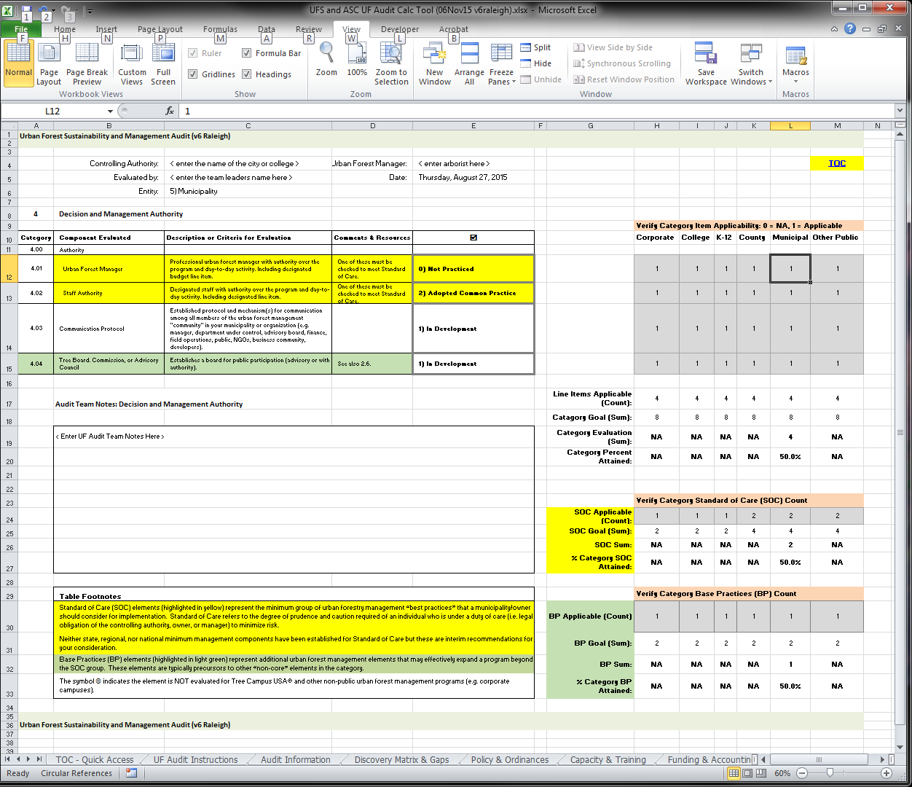

Urban Forest Sustainability and Management Review (v6.6a Austin)

